Leucosolenia
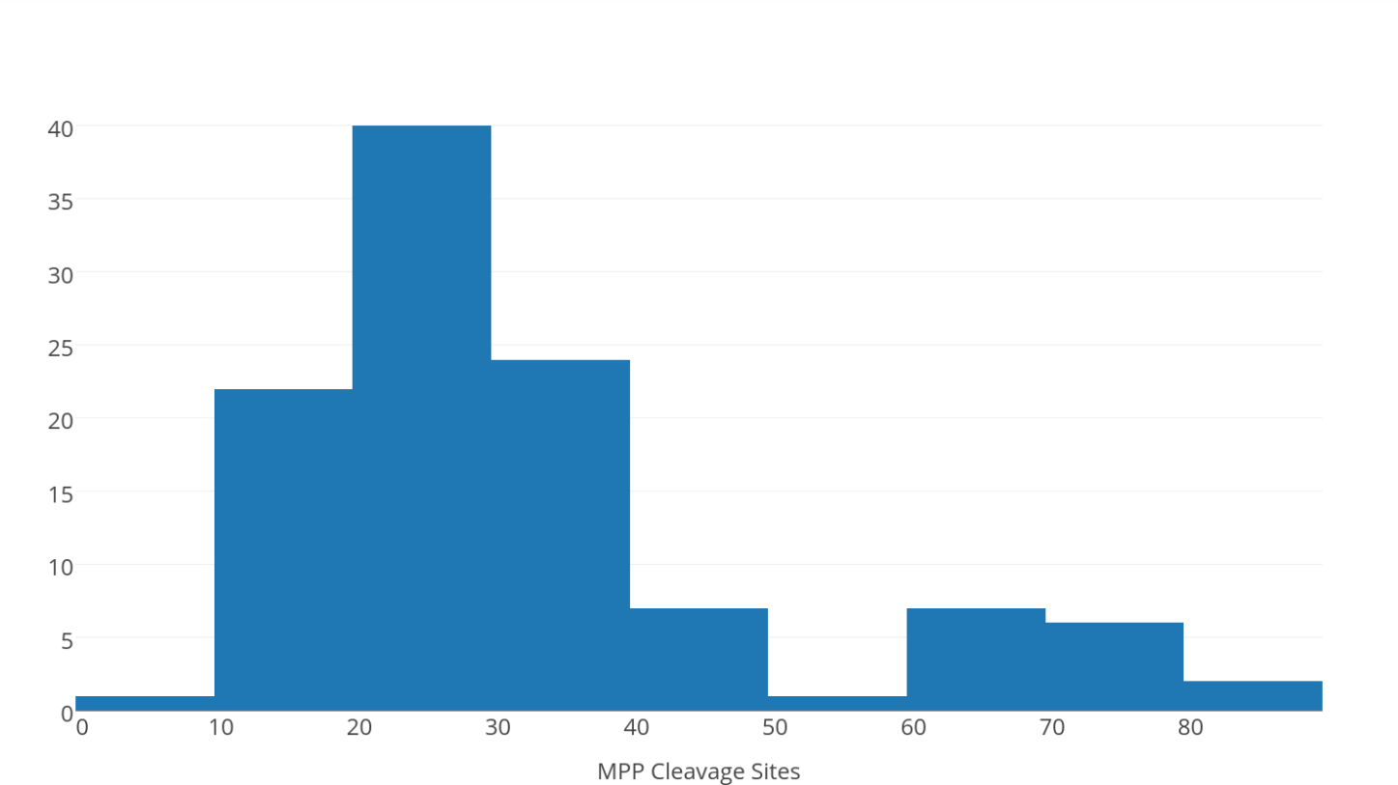
Sequence ID | Probability of presequence | Prediction | Cleavage site (processing enzyme) | Net charge | Positions for TOM20 recognition motif (deliminated by comma) | Position of amphypathic alpha-helix | BHHPPP | BPHBHH | HBHHBb | HBHHbB | HHBHHB | HHBPHB | HHBPHH | HHBPHP | HHHBBH | HHHBPH | HHHHBB | HHPBHH | HPBHHP | PHHBPH | Sequence ID | MPP | ICP | OCT
shys416 | 0.584 | Possessing mitochondrial presequence | 9(MPP) | 0.222 | 61-65 | 15-24-high | - | - | - | - | - | - | - | - | - | - | - | - | - | - | shys416 | 9
shys1036 | 0.442 | Possessing mitochondrial presequence | 19(MPP) | 0.211 | 11-15,73-77,90-94 | 3-15-high | - | - | - | - | - | - | - | - | - | - | - | - | - | - | shys78274 | 10
shys2084 | 0.449 | Possessing mitochondrial presequence | 67(MPP) | 0.075 | 50-54 | 20-29-high | - | - | - | - | - | - | - | - | - | - | - | - | - | - | shys15403 | 11
shys2085 | 0.449 | Possessing mitochondrial presequence | 67(MPP) | 0.075 | 50-54 | 20-29-high | - | - | - | - | - | - | - | - | - | - | - | - | - | - | shys15404 | 11
shys2508 | 0.871 | Possessing mitochondrial presequence | 26(MPP) | 0.192 | 40-44 | 7-16-low | - | - | - | - | - | - | - | - | - | - | - | - | - | - | shys20810 | 11
shys5396 | 0.844 | Possessing mitochondrial presequence | 16(MPP) | 0.25 | 5-9,19-23 | 7-16-high | - | - | - | - | - | 2017-09-14 | - | - | - | 2017-08-13 | - | - | - | - | shys69488 | 12
shys5398 | 0.849 | Possessing mitochondrial presequence | 16(MPP) | 0.25 | 5-9,19-23 | 7-16-high | - | - | - | - | - | 2017-09-14 | - | - | - | 2017-08-13 | - | - | - | - | shys69489 | 12
shys6335 | 0.475 | Possessing mitochondrial presequence | 65(MPP) | 0.154 | 62-66,89-93 | 13-24-high | - | - | - | - | - | - | - | 2017-08-13 | - | - | - | - | - | 2017-07-12 | shys6280 | 13
shys10284 | 0.919 | Possessing mitochondrial presequence | 31(MPP) | 0.258 | 32-36,48-52 | 6-16-high | - | - | - | - | - | - | - | - | - | - | - | - | - | - | shys28365 | 13
shys10285 | 0.919 | Possessing mitochondrial presequence | 31(MPP) | 0.258 | 32-36,48-52 | 6-16-high | - | - | - | - | - | - | - | - | - | - | - | - | - | - | shys63663 | 13 | 14
shys11099 | 0.686 | Possessing mitochondrial presequence | 29(MPP) | 0.172 |  | 1-10-high | - | - | - | - | - | - | - | - | - | - | - | - | - | - | shys33649 | 14 | 15
shys11101 | 0.704 | Possessing mitochondrial presequence | 29(MPP) | 0.172 |  | 1-10-high | - | - | - | - | - | - | - | - | - | - | - | - | - | - | shys20969 | 15
shys12663 | 0.541 | Possessing mitochondrial presequence | 31(MPP) | 0.29 |  | 19-29-high | - | - | - | - | - | - | - | - | - | - | - | - | - | - | shys5396 | 16
shys12664 | 0.557 | Possessing mitochondrial presequence | 31(MPP) | 0.29 |  | 19-29-high | - | - | - | - | - | - | - | - | - | - | - | - | - | - | shys5398 | 16
shys12665 | 0.557 | Possessing mitochondrial presequence | 31(MPP) | 0.29 |  | 19-29-high | - | - | - | - | - | - | - | - | - | - | - | - | - | - | shys58583 | 16
shys12666 | 0.541 | Possessing mitochondrial presequence | 31(MPP) | 0.29 |  | 19-29-high | - | - | - | - | - | - | - | - | - | - | - | - | - | - | shys72443 | 16
shys15403 | 0.955 | Possessing mitochondrial presequence | 11(MPP) | 0.091 | 18-22,36-40,64-68,81-85 | 14-23-high | - | - | - | - | - | - | - | - | - | - | - | - | - | - | shys51318 | 17
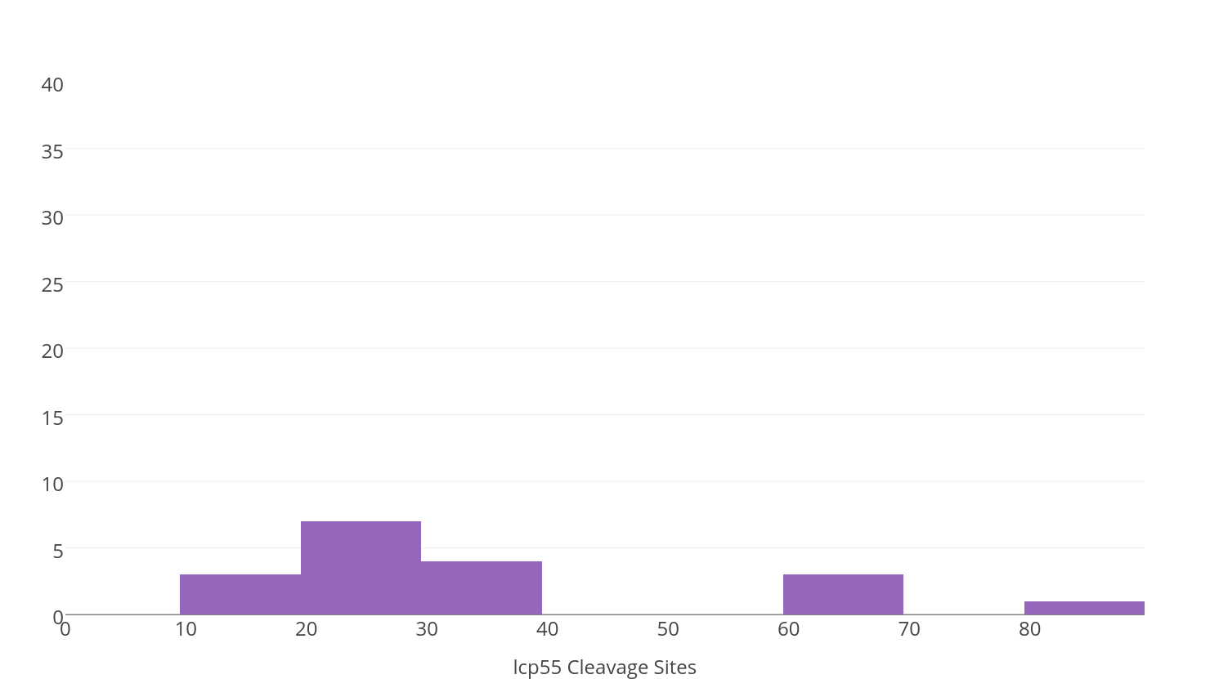
shys15404 | 0.955 | Possessing mitochondrial presequence | 11(MPP) | 0.091 | 18-22,36-40,64-68,81-85 | 14-23-high | - | - | - | - | - | - | - | - | - | - | - | - | - | - | shys8424 | 18
shys16538 | 0.868 | Possessing mitochondrial presequence | 22(MPP) | 0.182 |  | 9-18-high | - | - | - | - | - | - | 14-19 | - | 18-23 | - | 2017-01-06 | - | - | 13-18 | shys11231 | 18
shys16539 | 0.868 | Possessing mitochondrial presequence | 22(MPP) | 0.182 |  | 9-18-high | - | - | - | - | - | - | 14-19 | - | 18-23 | - | 2017-01-06 | - | - | 13-18 | shys33287 | 18
shys16540 | 0.868 | Possessing mitochondrial presequence | 22(MPP) | 0.182 |  | 9-18-high | - | - | - | - | - | - | 14-19 | - | 18-23 | - | 2017-01-06 | - | - | 13-18 | shys80464 | 18 | 19
shys20969 | 0.984 | Possessing mitochondrial presequence | 15(MPP) | 0.2 | 73-77 | 2-11-low | - | - | - | - | - | - | - | - | - | - | - | - | - | - | shys1036 | 19
shys24829 | 0.885 | Possessing mitochondrial presequence | 35(MPP) | 0.229 | 27-31 | 1-10-high | - | - | - | - | - | - | - | - | - | - | - | - | - | - | shys84149 | 19
shys25452 | 0.598 | Possessing mitochondrial presequence | 23(MPP) | 0.217 | 20-24 | 18-27-high | - | - | - | - | - | - | - | - | - | - | - | - | - | - | shys33487 | 20
shys28171 | 0.843 | Possessing mitochondrial presequence | 49(MPP) | 0.02 | 15-19 | 17-26-high | - | - | - | - | - | - | - | - | - | - | - | - | - | - | shys43039 | 20
shys28365 | 0.648 | Possessing mitochondrial presequence | 13(MPP) | 0.231 |  | 4-15-high | - | - | - | - | - | - | - | 2017-04-09 | - | - | - | - | - | 2017-03-08 | shys67454 | 20 |  | 28
shys29651 | 0.595 | Possessing mitochondrial presequence | 44(MPP) | 0.182 | 1-5,59-63 | 8-17-high | - | - | - | - | - | - | - | - | - | - | - | - | - | - | shys53971 | 21
shys29652 | 0.595 | Possessing mitochondrial presequence | 44(MPP) | 0.182 | 1-5,59-63 | 8-17-high | - | - | - | - | - | - | - | - | - | - | - | - | - | - | shys16538 | 22
shys30315 | 0.945 | Possessing mitochondrial presequence | 74(MPP) | 0.095 | 2017-03-07 | 3-14-low | - | - | - | - | - | - | - | - | - | - | - | - | - | - | shys16539 | 22
shys32362 | 0.972 | Possessing mitochondrial presequence | 26(MPP) | 0.308 | 28-32,69-73 | 20-29-low | - | - | - | - | - | - | - | - | - | - | - | - | - | - | shys16540 | 22
shys32439 | 0.781 | Possessing mitochondrial presequence | 31(MPP) | 0.194 | 84-88 | 21-30-low | - | - | - | - | - | - | - | - | - | - | - | - | - | - | shys21605 | 22
shys33287 | 0.474 | Possessing mitochondrial presequence | 18(MPP) | 0.167 |  | 2-13-high | - | - | - | - | - | - | - | - | - | - | - | - | - | - | shys28997 | 22
shys33487 | 0.882 | Possessing mitochondrial presequence | 20(MPP) | 0.35 | 8-12,11-15,17-21,24-28 | 19-28-high | - | 2017-04-09 | - | - | 8-13,11-16 | - | - | - | - | - | - | - | - | - | shys63605 | 22
shys33649 | 0.608 | Possessing mitochondrial presequence | 14(MPP), 15(Icp55*) | 0.286 | 79-83 | 13-22-high | - | - | - | - | - | - | - | 18-23 | - | - | - | - | - | 17-22 | shys63606 | 22
shys36543 | 0.912 | Possessing mitochondrial presequence | 26(MPP) | 0.154 | 17-21 | 20-29-high | - | - | - | - | 17-22 | - | - | - | - | - | - | - | - | - | shys63607 | 22
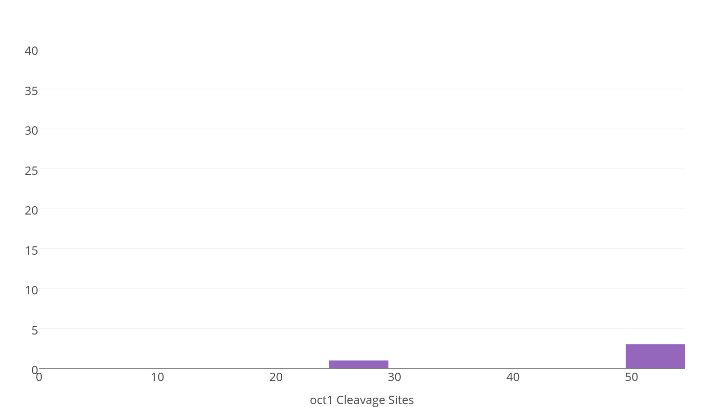
shys39475 | 0.539 | Possessing mitochondrial presequence | 24(MPP) | 0.125 |  | 4-13-low | - | - | - | - | - | - | - | - | - | - | - | - | - | - | shys63608 | 22
shys40087 | 0.942 | Possessing mitochondrial presequence | 30(MPP), 31(Icp55*) | 0.233 |  | 2-12-low | - | - | - | - | - | - | - | - | - | - | - | - | - | - | shys85060 | 22
shys40186 | 0.992 | Possessing mitochondrial presequence | 32(MPP) | 0.188 | 2-6,9-13 | 10-19-high | - | - | - | - | 2017-02-07 | - | - | 15-20 | - | - | - | - | 2017-09-14 | 14-19 | shys25452 | 23
shys40841 | 0.64 | Possessing mitochondrial presequence | 84(MPP), 85(Icp55*) | -0.048 | 81-85 | 2-11-low | - | - | - | - | - | - | 18-23 | - | - | - | - | - | - | 17-22 | shys40642 | 23 | 24
shys42492 | 0.598 | Possessing mitochondrial presequence | 29(MPP) | 0.207 | 5-9,80-84 | 3-12-high | - | - | - | - | - | - | 2017-08-13 | - | - | - | - | - | - | - | shys53950 | 23
shys43039 | 0.97 | Possessing mitochondrial presequence | 20(MPP) | 0.3 | 9-13,13-17 | 10-19-high | - | - | - | - | 13-18 | - | - | - | - | - | - | - | - | - | shys81616 | 23
shys43898 | 0.5 | Possessing mitochondrial presequence | 26(MPP) | 0.269 | 16-20,68-72,82-86 | 15-24-high | - | - | - | 17-22 | - | - | - | - | - | - | - | - | - | - | shys81896 | 23
shys44155 | 0.889 | Possessing mitochondrial presequence | 25(MPP) | 0.2 | 91-95 | 6-15-high | - | - | - | - | - | - | - | - | - | - | - | - | - | - | shys83987 | 23 | 24
shys44292 | 0.985 | Possessing mitochondrial presequence | 31(MPP) | 0.29 | 3-7,6-10,40-44 | 6-18-high | - | - | - | - | 3-8,6-11 | - | - | - | 18-23 | - | 17-22 | - | - | - | shys83988 | 23 | 24
shys44294 | 0.985 | Possessing mitochondrial presequence | 31(MPP) | 0.29 | 3-7,6-10,40-44 | 6-18-high | - | - | - | - | 3-8,6-11 | - | - | - | 18-23 | - | 17-22 | - | - | - | shys83991 | 23 | 24
shys45883 | 0.86 | Possessing mitochondrial presequence | 36(MPP), 37(Icp55*) | 0.222 | 33-37 | 9-22-low | - | - | - | 2017-08-13 | - | - | - | - | - | - | - | - | - | - | shys39475 | 24
shys47056 | 0.527 | Possessing mitochondrial presequence | 26(MPP) | 0.231 | 66-70 | 2-13-low | - | - | - | - | - | 20-25 | - | - | - | - | - | - | - | - | shys59605 | 24
shys50176 | 0.989 | Possessing mitochondrial presequence | 26(MPP) | 0.154 | 5-9,15-19 | 5-14-high | - | - | - | - | - | - | - | - | - | - | - | 2017-04-09 | - | - | shys17802 | 25
shys53950 | 0.998 | Possessing mitochondrial presequence | 23(MPP) | 0.304 | 2017-03-07 | 3-12-high | - | - | - | - | 2017-03-08 | - | - | - | - | - | - | - | - | - | shys44155 | 25
shys53971 | 0.655 | Possessing mitochondrial presequence | 21(MPP) | 0.19 | 47-51,50-54 | 5-14-high | - | - | - | - | - | - | - | - | - | - | - | - | - | - | shys65644 | 25
shys57872 | 0.996 | Possessing mitochondrial presequence | 32(MPP) | 0.188 | 33-37 | 14-23-low | - | - | - | - | - | - | - | - | - | - | - | - | - | - | shys66189 | 25 | 26
shys59605 | 0.653 | Possessing mitochondrial presequence | 24(MPP) | 0.125 |  | 13-22-low | - | - | - | - | - | - | - | - | - | - | - | - | - | - | shys66191 | 25 | 26
shys63605 | 0.447 | Possessing mitochondrial presequence | 22(MPP) | 0.091 | 61-65,81-85,87-91 | 8-17-high | - | - | - | - | - | - | - | - | - | - | - | - | - | - | shys2508 | 26
shys63606 | 0.447 | Possessing mitochondrial presequence | 22(MPP) | 0.091 | 61-65,81-85,87-91 | 8-17-high | - | - | - | - | - | - | - | - | - | - | - | - | - | - | shys32362 | 26
shys63607 | 0.447 | Possessing mitochondrial presequence | 22(MPP) | 0.091 | 61-65,81-85,87-91 | 8-17-high | - | - | - | - | - | - | - | - | - | - | - | - | - | - | shys36543 | 26
shys63608 | 0.447 | Possessing mitochondrial presequence | 22(MPP) | 0.091 | 61-65,81-85,87-91 | 8-17-high | - | - | - | - | - | - | - | - | - | - | - | - | - | - | shys43898 | 26
shys63663 | 0.95 | Possessing mitochondrial presequence | 13(MPP), 14(Icp55*) | 0.154 | 2017-11-15 | 7-16-high | - | - | - | - | - | - | - | - | 2017-09-14 | - | - | - | - | - | shys47056 | 26
shys64769 | 0.879 | Possessing mitochondrial presequence | 32(MPP), 33(Icp55*) | 0.188 | 1-5,9-13,69-73,79-83 | 16-25-high | - | - | - | - | 2017-09-14 | - | - | - | - | - | - | - | - | - | shys50176 | 26
shys65644 | 0.709 | Possessing mitochondrial presequence | 25(MPP) | 0.16 | 36-40 | 18-27-high | - | - | - | - | - | - | - | - | 21-26 | - | - | - | - | - | shys74200 | 26 | 27
shys66189 | 0.866 | Possessing mitochondrial presequence | 25(MPP), 26(Icp55*) | 0.24 | 10-14,18-22 | 17-26-high | - | - | - | - | - | 2017-03-08 | - | - | - | 2017-02-07 | - | - | - | - | shys11099 | 29
shys66191 | 0.866 | Possessing mitochondrial presequence | 25(MPP), 26(Icp55*) | 0.24 | 10-14,18-22 | 17-26-high | - | - | - | - | - | 2017-03-08 | - | - | - | 2017-02-07 | - | - | - | - | shys11101 | 29
shys66804 | 0.964 | Possessing mitochondrial presequence | 31(MPP), 32(Icp55*) | 0.194 | 14-18 | 14-29-high | - | - | - | 15-20 | - | - | - | - | - | - | - | - | - | - | shys42492 | 29
shys67454 | 0.395 | Possessing mitochondrial presequence | 20(MPP), 28(Oct1) | 0.15 |  | 11-20-high | - | - | - | - | - | - | - | - | - | - | - | - | - | - | shys43218 | 29
shys69488 | 0.941 | Possessing mitochondrial presequence | 12(MPP) | 0.25 | 10-14,13-17,31-35 | 19-28-low | - | - | - | - | - | 2017-06-11 | - | - | - | 2017-05-10 | - | - | - | - | shys40087 | 30 | 31
shys69489 | 0.941 | Possessing mitochondrial presequence | 12(MPP) | 0.25 | 10-14,13-17,31-35 | 19-28-low | - | - | - | - | - | 2017-06-11 | - | - | - | 2017-05-10 | - | - | - | - | shys10284 | 31
shys70762 | 0.993 | Possessing mitochondrial presequence | 31(MPP) | 0.194 | 24-28,65-69,89-93 | 21-30-high | - | - | - | - | 24-29 | - | - | - | - | - | - | - | - | - | shys10285 | 31
shys70763 | 0.991 | Possessing mitochondrial presequence | 31(MPP) | 0.194 | 24-28,65-69,89-93 | 21-30-high | - | - | - | - | 24-29 | - | - | - | - | - | - | - | - | - | shys12663 | 31
shys71285 | 0.881 | Possessing mitochondrial presequence | 42(MPP), 50(Oct1) | 0.19 | 13-17,25-29,39-43 | 1-10-high | - | - | - | - | - | - | - | - | - | - | - | - | - | - | shys12664 | 31
shys74200 | 0.974 | Possessing mitochondrial presequence | 26(MPP), 27(Icp55*) | 0.154 | 18-22,86-90 | 5-16-low | - | - | - | - | - | - | - | - | 16-21 | - | - | - | - | - | shys12665 | 31
shys76153 | 0.447 | Possessing mitochondrial presequence | 83(MPP) | 0.133 |  | 21-30-low | - | - | - | - | - | - | - | - | - | - | - | - | - | - | shys12666 | 31
shys76874 | 0.679 | Possessing mitochondrial presequence | 72(MPP) | 0.181 | 25-29,45-49 | 18-27-high | - | - | - | - | - | - | - | - | - | - | - | - | - | - | shys32439 | 31
shys76875 | 0.679 | Possessing mitochondrial presequence | 72(MPP) | 0.181 | 25-29,45-49 | 18-27-high | - | - | - | - | - | - | - | - | - | - | - | - | - | - | shys35664 | 31
shys78265 | 0.617 | Possessing mitochondrial presequence | 61(MPP) | 0.115 |  | 11-22-low | - | - | - | - | - | - | - | - | - | - | - | - | - | - | shys44292 | 31
shys78274 | 0.683 | Possessing mitochondrial presequence | 10(MPP) | 0.3 | 46-50,96-100 | 15-24-high | - | - | - | - | - | - | - | - | - | - | - | - | - | - | shys44294 | 31
shys79683 | 0.823 | Possessing mitochondrial presequence | 33(MPP) | 0.152 | 61-65 | 13-24-high | - | - | - | - | - | - | - | - | - | - | - | - | - | - | shys66804 | 31 | 32
shys80464 | 0.966 | Possessing mitochondrial presequence | 18(MPP), 19(Icp55*) | 0.222 | 11-15,16-20,38-42,91-95 | 11-20-high | - | - | - | - | - | - | - | - | 14-19 | - | - | - | - | - | shys70762 | 31
shys81616 | 0.579 | Possessing mitochondrial presequence | 23(MPP) | 0.174 | 1-5,70-74,84-88 | 12-23-high | - | - | - | - | - | - | - | - | - | - | - | - | - | - | shys70763 | 31
shys81896 | 0.423 | Possessing mitochondrial presequence | 23(MPP) | 0.087 | 33-37 | 15-24-high | - | - | - | - | - | - | - | - | - | 2017-12-17 | - | - | - | - | shys33281 | 32
shys83987 | 0.978 | Possessing mitochondrial presequence | 23(MPP), 24(Icp55*) | 0.261 |  | 1-11-high | - | - | - | - | - | - | - | - | - | - | - | - | - | - | shys40186 | 32
shys83988 | 0.978 | Possessing mitochondrial presequence | 23(MPP), 24(Icp55*) | 0.261 |  | 1-11-high | - | - | - | - | - | - | - | - | - | - | - | - | - | - | shys57872 | 32
shys83991 | 0.978 | Possessing mitochondrial presequence | 23(MPP), 24(Icp55*) | 0.261 |  | 1-11-high | - | - | - | - | - | - | - | - | - | - | - | - | - | - | shys64769 | 32 | 33
shys84149 | 0.739 | Possessing mitochondrial presequence | 19(MPP) | 0.211 | 2017-12-16 | 11-20-high | - | - | - | - | - | - | 2017-06-11 | - | - | 2017-05-10 | - | - | - | - | shys76138 | 33
shys85060 | 0.739 | Possessing mitochondrial presequence | 22(MPP) | 0.136 | 2017-03-07 | 16-25-low | - | - | - | - | - | - | - | - | - | - | - | 2017-02-07 | - | - | shys79683 | 33
shys6265 | 0.313 | No mitochondrial presequence | 70(MPP) | 0.029 | 88-92 | 3-12-high | - | - | - | - | - | - | - | - | - | - | - | - | - | - | shys84802 | 33
shys6266 | 0.313 | No mitochondrial presequence | 70(MPP) | 0.029 | 88-92 | 3-12-high | - | - | - | - | - | - | - | - | - | - | - | - | - | - | shys45220 | 34
shys6280 | 0.159 | No mitochondrial presequence | 13(MPP) | 0.308 | 34-38,43-47 | 20-29-low | - | - | - | - | - | - | - | - | - | - | - | - | - | - | shys24829 | 35
shys8424 | 0.191 | No mitochondrial presequence | 18(MPP) | 0.222 | 2017-09-13 | 14-23-high | - | - | - | - | - | - | - | - | - | - | - | - | - | - | shys45883 | 36 | 37
shys10671 | 0.183 | No mitochondrial presequence | 67(MPP), 68(Icp55*) | 0.149 | 16-20,53-57 | 14-23-high | - | - | - | - | - | - | - | - | - | - | - | - | - | - | shys71285 | 42 |  | 50
shys11231 | 0.196 | No mitochondrial presequence | 18(MPP) | 0.222 | 20-24,55-59 | 2-11-low | - | - | - | - | - | - | - | - | - | - | - | - | - | - | shys29651 | 44
shys17802 | 0.098 | No mitochondrial presequence | 25(MPP) | 0.16 | 38-42,43-47 | 7-16-low | - | - | - | 23-28 | - | - | - | - | - | - | - | - | - | - | shys29652 | 44
shys20810 | 0.124 | No mitochondrial presequence | 11(MPP) | 0.364 | 3-7,83-87 | 20-29-high | - | - | - | - | - | - | - | - | - | - | - | - | - | - | shys37207 | 46 |  | 54
shys21605 | 0.204 | No mitochondrial presequence | 22(MPP) | 0.136 | 59-63,79-83 | 5-14-high | - | - | - | - | - | - | - | - | - | - | - | - | - | - | shys37208 | 46 |  | 54
shys25939 | 0.354 | No mitochondrial presequence | 54(MPP) | 0.148 | 2017-08-12 | 17-26-low | - | - | 2017-09-14 | - | 2017-08-13 | - | - | - | - | - | - | - | - | - | shys70324 | 46
shys28997 | 0.377 | No mitochondrial presequence | 22(MPP) | 0.182 | 37-41 | 18-30-low | - | - | - | - | - | - | - | - | - | - | - | - | - | - | shys28171 | 49
shys33281 | 0.012 | No mitochondrial presequence | 32(MPP) | 0.188 |  | 20-29-low | - | - | - | - | - | - | - | - | - | - | - | - | - | - | shys25939 | 54
shys35664 | 0.223 | No mitochondrial presequence | 31(MPP) | 0.226 | 10-14,13-17,16-20,19-23,22-26,25-29,28-32 | 15-24-high | - | - | - | - | 10-15,13-18,16-21,19-24,22-27,25-30 | - | - | - | - | - | - | - | - | - | shys78265 | 61
shys37207 | 0 | No mitochondrial presequence | 46(MPP), 54(Oct1) | 0.109 | 38-42,52-56 | 19-28-low | - | - | - | - | - | - | - | - | - | - | - | - | - | - | shys6335 | 65
shys37208 | 0 | No mitochondrial presequence | 46(MPP), 54(Oct1) | 0.109 | 38-42,52-56 | 19-28-low | - | - | - | - | - | - | - | - | - | - | - | - | - | - | shys73302 | 66 | 67
shys40642 | 0.148 | No mitochondrial presequence | 23(MPP), 24(Icp55*) | 0.087 |  | 7-19-low | - | - | - | - | - | - | - | - | - | - | - | - | - | - | shys73303 | 66 | 67
shys43218 | 0.332 | No mitochondrial presequence | 29(MPP) | 0.138 | 29-33,77-81,96-100 | 18-27-low | - | - | - | - | - | - | - | - | - | - | - | - | - | - | shys2084 | 67
shys45220 | 0.262 | No mitochondrial presequence | 34(MPP) | 0.118 | 81-85 | 12-21-low | - | - | - | - | - | - | - | - | - | - | - | - | - | - | shys2085 | 67
shys51318 | 0.193 | No mitochondrial presequence | 17(MPP) | 0.353 |  | 16-25-low | - | 13-18 | - | - | - | - | - | - | - | - | - | - | - | - | shys10671 | 67 | 68
shys51858 | 0.265 | No mitochondrial presequence | 73(MPP) | 0.082 | 47-51,50-54 | 20-30-low | - | - | - | - | - | - | - | - | - | - | - | - | - | - | shys6265 | 70
shys58583 | 0.252 | No mitochondrial presequence | 16(MPP) | 0.188 |  | 20-29-high | - | - | - | - | - | - | - | - | - | - | - | - | - | - | shys6266 | 70
shys70324 | 0.035 | No mitochondrial presequence | 46(MPP) | 0.152 | 19-23,35-39 | 18-27-high | - | - | - | - | - | - | - | - | - | - | - | - | - | - | shys76874 | 72
shys72443 | 0.158 | No mitochondrial presequence | 16(MPP) | 0.25 | 21-25,33-37,86-90 | 19-28-high | - | - | - | - | - | - | - | - | - | - | - | - | - | - | shys76875 | 72
shys73302 | 0.256 | No mitochondrial presequence | 66(MPP), 67(Icp55*) | 0.106 |  | 20-29-high | - | - | - | - | - | - | - | - | - | - | - | - | - | - | shys51858 | 73
shys73303 | 0.251 | No mitochondrial presequence | 66(MPP), 67(Icp55*) | 0.106 |  | 20-29-high | - | - | - | - | - | - | - | - | - | - | - | - | - | - | shys30315 | 74
shys76138 | 0.246 | No mitochondrial presequence | 33(MPP) | 0.182 | 3-7,41-45,74-78,93-97 | 8-23-high | - | 21-26 | - | - | - | - | - | - | - | - | - | - | - | - | shys76153 | 83
shys84802 | 0.305 | No mitochondrial presequence | 33(MPP) | 0.121 | 76-80 | 1-10-low | - | - | - | - | - | - | 2017-04-09 | - | - | 2017-03-08 | - | - | - | - | shys40841 | 84 | 85

